Sheet1
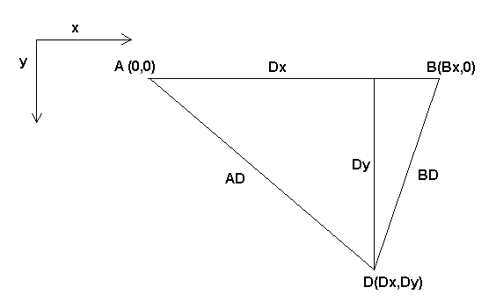
AD | 300
BD | 200
Bx | 300

x | 233.33333333
y | 188.56180832

